Sheet1
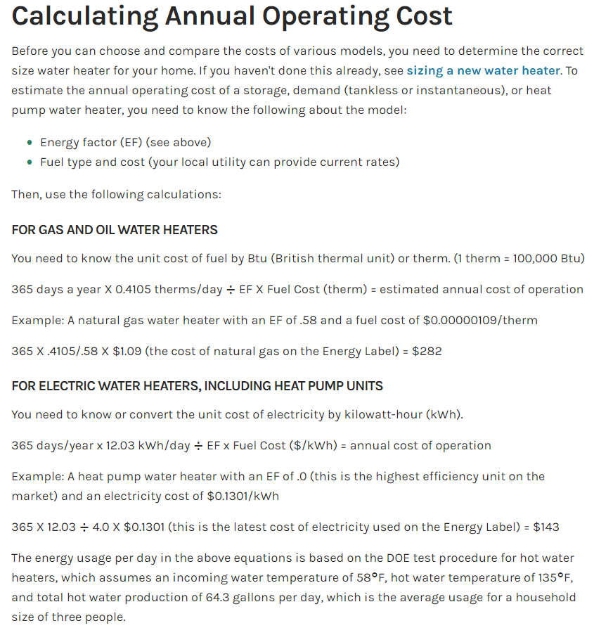
 |  |  |  |  |  |  | Reference: | https://www.energy.gov/energysaver/estimating-costs-and-efficiency-storage-demand-and-heat-pump-water-heaters
 |  |  | per ccf | per therm
Minnesota average natural gas costs |  |  | 11.04 | 1.0646094503

 |  |  |  | per kWh
Minnesota average electricity costs |  |  |  | 0.1381

Gas water heater
 | Therms/day - based on average use patterns and temperature raise required |  |  |  |  | 0.4105

Electric water heater
 | kWh/day - based on average use patterns and temperature raise required |  |  |  |  | 12.03

Existing system |  |  |  | New System
 |  | EF |  |  | EF
Gas system |  | 0.58 |  | Gas system | 0.95

Annual Estimate |  | 242.65 |  | Annual Estimate | 148.15

Existing system |  |  |  | Existing system
 |  | EF |  |  | EF
Electric system |  | 0.95 |  | Electric system | 3.9

Annual Estimate |  | 638.31 |  | Annual Estimate | 155.48

Notes, you can adjust the assumed therms per day in the formula or the assumed kWh per dayand per kWh up by 15% if you believe that inherently operational costs are higher
 | Example, adjust L9 to be 0.472
 | Example, adjust L12 to be 13.83

You can adjust the EF/UEF to match what is found on product literature or in the Qualified Product List for HPWHs
 | https://neea.org/resources/residential-hpwh-qualified-products-list

